Table 3
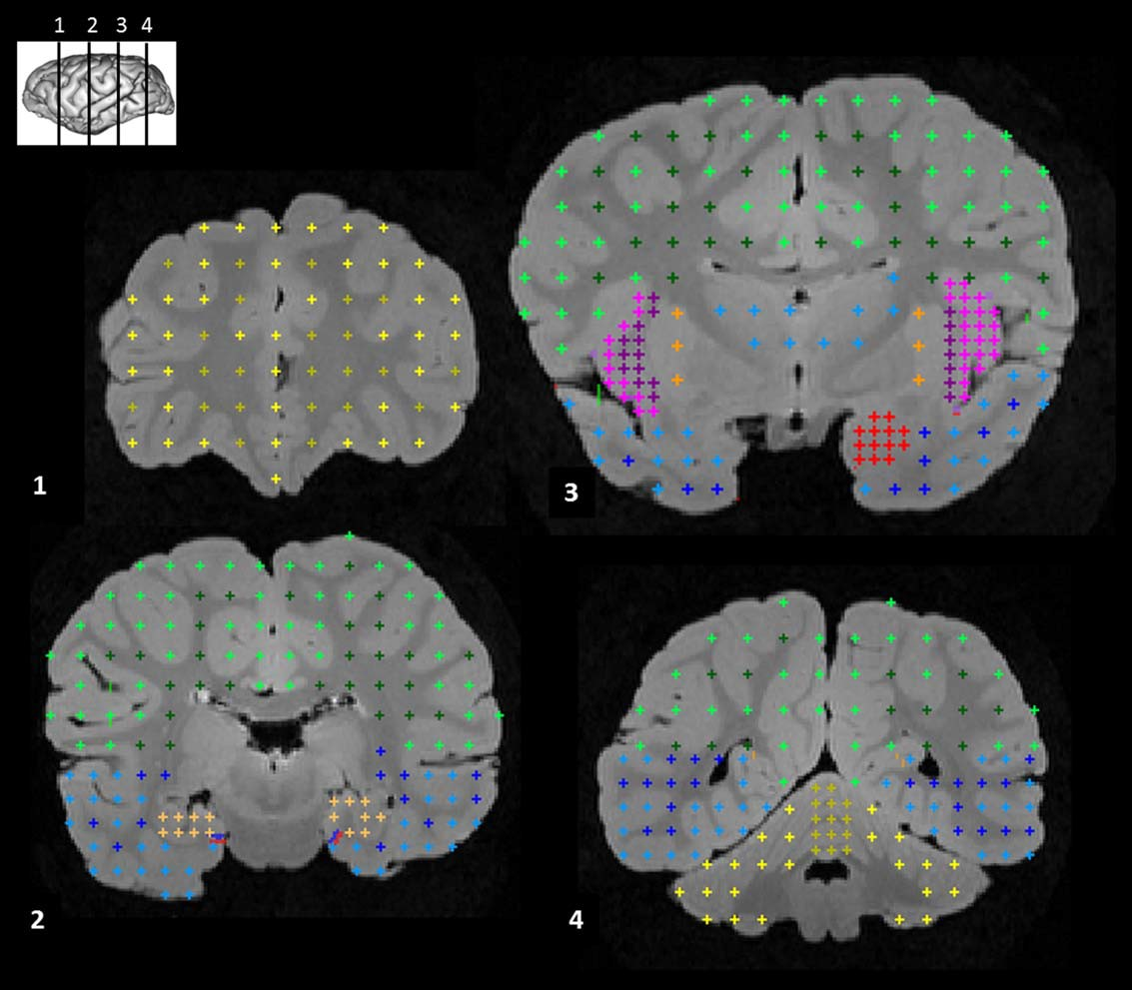
Fig. 1. Example of measures of brain structure volume using stereology. Four coronal sections from a mountain gorilla brain are shown, anterior to posterior (see inset for level of each section). Structures shown, section 1: frontal gray (light yellow) and white matter (dark yellow). Section 2: parietal and occipital gray (light green) and white matter (dark green), temporal gray (light blue) and white matter (dark blue), hippocampus (tan). Section 3: parietal and occipital gray (light green) and white matter (dark green), thalamus (medium blue), insula gray (pink), external capsule/claustrum/extreme capsule (purple), striatum (orange), amyg-dala (red), temporal gray (light blue) and white matter (dark blue). Section 4: parietal and occipital gray (light green) and white matter (dark green), cerebellar vermis (dark yellow) and hemispheres (light yellow). [Color figure can be viewed in the online issue, which is available at wileyonlinelibrary.com.]
Parc National des Virunga in the Democratic Republic of Congo (DRC). The two wild G. beringei graueri individu-als in this sample are from DRC: one originated from the Mount Tshiaberimu population, and one is from an unknown population. Captive G. gorilla and G. beringei graueri brains were obtained from zoos in the United States and from the Yerkes National Primate Research Center. The research presented here is in accordance with the American Society of Primatologists Principles for the Ethical Treatment of Nonhuman Primates and adhered to the legal requirements of Rwanda. MR image acquisition MR images of G. beringei brains were acquired on a Siemens 3-T Allegra (Siemens Medical System, Erlan-gen, Germany) running Syngo 2002B software. Coronal T1-weighted MR images were acquired through the entire brain with repetition time (TR) 5 2,500 ms and echo time (TE) 5 4.4 ms with an echo-train of 1. Slices were obtained as 0.7-mm-thick contiguous sections with | a matrix size of 256 3 256 and a field of view (FOV) of 18.0 cm 3 18.0 cm, resulting in a final voxel size of 0.7 mm isotropic. For G. gorilla brains, either 4.7 or 7 T magnets were used and T2-weighted images were col-lected in the transverse plane using a gradient echo pro-tocol (pulse repetition 5 22.0 s, echo time 5 78.0 ms, number of signals averaged 5 8-12, and a 256 3 192 matrix reconstructed to 256 3 256), with a final voxel size of 0.7 mm isotropic. There was sufficient contrast in all images to clearly identify the boundaries of the ana-tomical structures measured. Measurement of brain structure volumes Analyses of brain structure volumes were performed on the complete sample of 36 gorillas, including G. berin-gei beringei (n 5 15; five male, nine female, one unknown sex; age range 1.6–39 years including some adults of unknown age), G. gorilla (n 5 18; nine male, nine female, age range 8–55 years), and G. beringei graueri (n 5 3; including one captive male age 51, one

Table 5
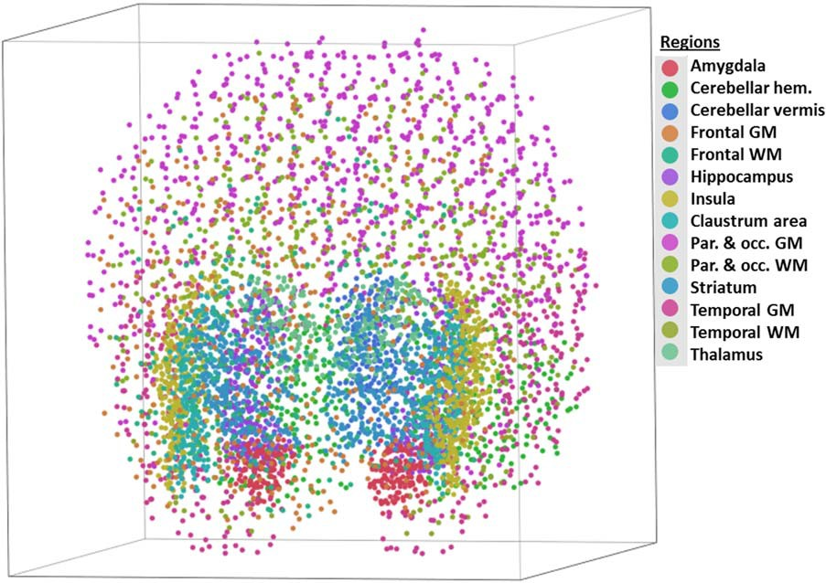
Fig. 2. 3D “cloud” of all points measured in one mountain gorilla brain, representing the complete volume of all structures measured. “Claustrum area” refers to the region encompassing external capsule, claustrum, and extreme capsule. [Color figure can be viewed in the online issue, which is available at wileyonlinelibrary.com.]
volumes also showed a significantly larger volume of the left hippocampus in G. gorilla compared to G. beringei (U 5 41, P < 0.000), and significantly larger volume of right frontal gray matter (U 5 58.5, P 5 0.001) and right striatum (U 5 63.5, P 5 0.002) in G. beringei com-pared to G. gorilla (Fig. 4B). No other differences in pro-portional volumes were significant after correction for multiple comparisons. However, the cerebellar regions that were significantly different between the two species in comparisons of absolute volumes approached signifi-cance: the left cerebellar hemisphere (Mann–Whitney U 5 70.5, P 5 0.003) and cerebellar vermis (Mann–Whit- ney U 5 66, P 5 0.003) were both larger in G. gorilla than in G. beringei. Because the G. beringei sample in this study contained a large number of juveniles and infants, we also ana-lyzed these brain structure measurements with the sam-ple restricted to only adults. This age-range restriction removes two out of three G. beringei graueri from the sample in the analyses that follow. Pairwise tests of absolute volumes in adults showed a significant differ-ence (G. gorilla > G. beringei) in the cerebellar vermis (Mann–Whitney U 5 18, P 5 0.001) and left hippocam- pus (U 5 23, P 5 0.001) (Fig. 5A). Pairwise tests of pro-portional volumes in adults showed a significant difference in the right frontal white matter, with G. beringei larger than G. gorilla (U 5 23, P 5 0.002) (Fig. 5B). Captive western lowland gorillas in this sample varied in their place of birth (either in the wild or in captivity) and in rearing condition (either parent-reared or hand-reared). A PCA of brain structure volumes did not reveal any separation among these groups, nor did follow-up Mann–Whitney pairwise tests. Age- and sex-related variation in | as older than age 10 years (n 5 7 adults, 9 juveniles/ infants), the median age for first birth in mountain goril-las (Watts 1991). Note that our sample does not include any individuals between age 6 and 16, ensuring that all individuals described as adults are fully mature. No sig-nificant differences were observed in pairwise tests between these two age groups in either absolute or pro-portional volume of any brain structure after correction for multiple comparisons. No significant differences in either absolute or propor-tional volume were observed in pairwise tests between males and females for any brain structure, nor were sig-nificant interaction effects of sex and species observed in a two-way ANOVA. Males and females did not separate in any PCA. DISCUSSION We examined variation in brain structure volumes among gorillas using neuroimaging. Our results demon-strated that gorilla species differ in the size of particular regions, despite displaying similar overall brain size, suggesting that neuroanatomical specializations have been shaped by selection in response to species-typical ecological conditions. Notably, the hippocampus was both absolutely and proportionately larger in G. gorilla than in G. beringei in comparisons of the entire sample, and its absolute volume was significantly larger in adult G. gorilla than in adult G. beringei (when juveniles are removed from the sample, the difference in the left hip-pocampus in proportional volumes is present with a sig-nificance level of P 5 0.004, equivalent to an uncorrected level of 0.15). Also, absolute volumes of cere-bellar substructures were significantly larger in G. gorilla than in G. beringei, for both the entire sample and for adults only. This difference also approaches con

Table 6
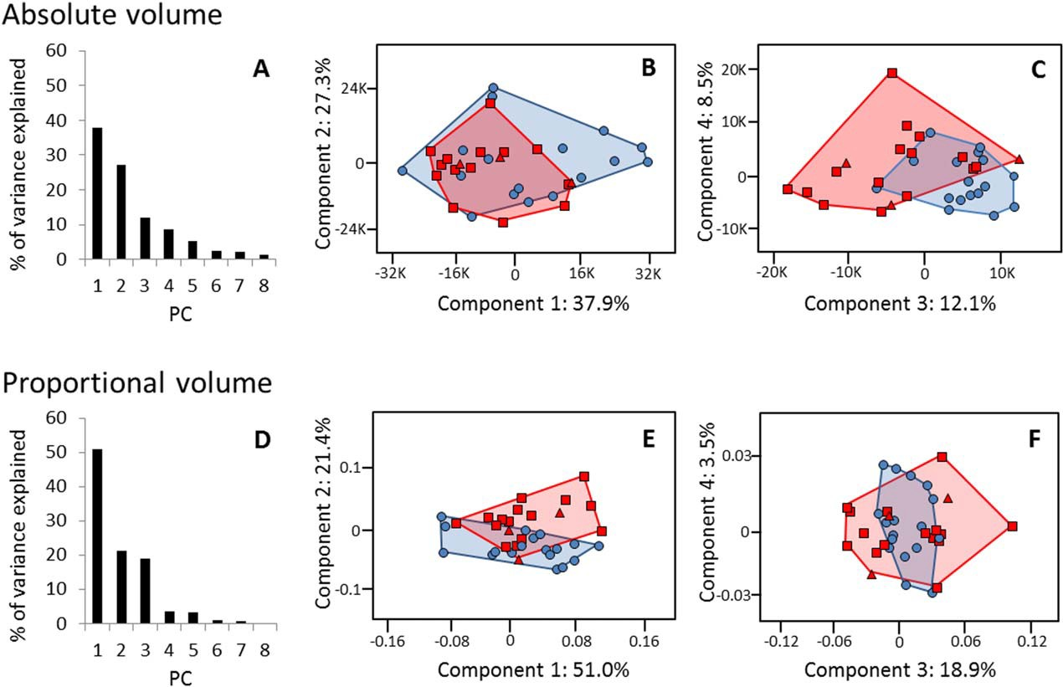
Fig. 3. PCA results. Blue circles represent G. gorilla; red squares represent G. b. beringei; red triangles represent G. b. graueri. (A) Variance explained by each principal component (PC) for absolute volume of brain structures. (B) PCA plot for absolute vol-umes, PCs 1 and 2. (C) PCA plot for absolute volumes, PCs 3 and 4. (D) Variance explained by each PC for proportional volume of brain structures. (E) PCA plot for proportional volumes, PCs 1 and 2. (F) PCA plot for proportional volumes, PCs 3 and 4. [Color figure can be viewed in the online issue, which is available at wileyonlinelibrary.com.]
contrast, areas that have significantly larger propor- tional volumes in G. beringei than in G. gorilla—right frontal gray matter, right frontal white matter, and right striatum—were not significantly different in absolute volumes, with a lowest significance level of P 5 0.211. In considering these results overall, we interpret the larger hippocampus and cerebellum in G. gorilla as the most robust findings in this study. These anatomical differences may reflect divergent ecological adaptations between the two species. First, western lowland gorillas have a more frugivorous diet than mountain gorillas, which are almost entirely folivo-rous because of the lack of fruit trees in their high-altitude habitat, particularly in the Virunga Mountains from where the eastern gorillas in this sample originated (Tutin, 2003; Robbins, 2007), and they have larger home ranges (Doran, 1996; Caillaud et al., 2014). These two factors likely place an increased demand on spatial memory, which relies on the hippocampus (Eichenbaum et al., 1999; Burgess et al., 2002). Studies across multi-ple species indicate interplay between ecological condi-tions that require greater spatial memory and navigation skills and a relative increase in hippocampus size (e.g. Jacobs et al., 1990; Clayton and Krebs, 1995; Maguire, 2000). Exploiting fruit as a dietary source may place greater demands on spatial cognition than relying on non-reproductive plant parts, because the availability of fruit varies more and can be less predictable and less abundant. Thus, frugivores stand to benefit more from effective cognitive maps of tree locations and, in the case | of plant species that reliably fruit at the same time each year, memory of seasonality. For example, Janmaat et al. (2013) describe a fruit-foraging strategy in which female chimpanzees in a lowland forest habitat similar to those used by G. gorilla inspected individual trees of synchronously fruiting species days before they produced ripe fruit as if in expectation of the fruit’s appearance; this suggested that they were relying on such mental maps and memory. The more dispersed nature of fruit patches has impli-cations for home range size as well: G. gorilla’s travel range expands in conjunction with the abundance of fruit resources (Tutin, 2003; Masi et al., 2009). Yama-giwa and colleagues (Yamagiwa et al., 1994; Yamagiwa et al., 2003) have observed that G. b graueri shows both a level of frugivory and a mean day journey length inter-mediate between that of G. gorilla and G. b. beringei. Notably, chimpanzees (Pan troglodytes) have the largest hippocampal volume relative to total brain size among the great apes, possibly reflecting their high dependence on fruit and correspondingly large home ranges (Sher-wood et al., 2004; Stumpf, 2007). However, the relation-ship between fruit consumption and home range size, even in gorillas, is not always straightforward. For example, in reviewing data on the population of G. b. beringei in the Bwindi Impenetrable National Park, Uganda, which is considerably more frugivorous overall than the Virunga population and in which home range sizes are similar to those of G. gorilla, Robbins and McNeilage (2003) describe considerable variation in both

Table 7
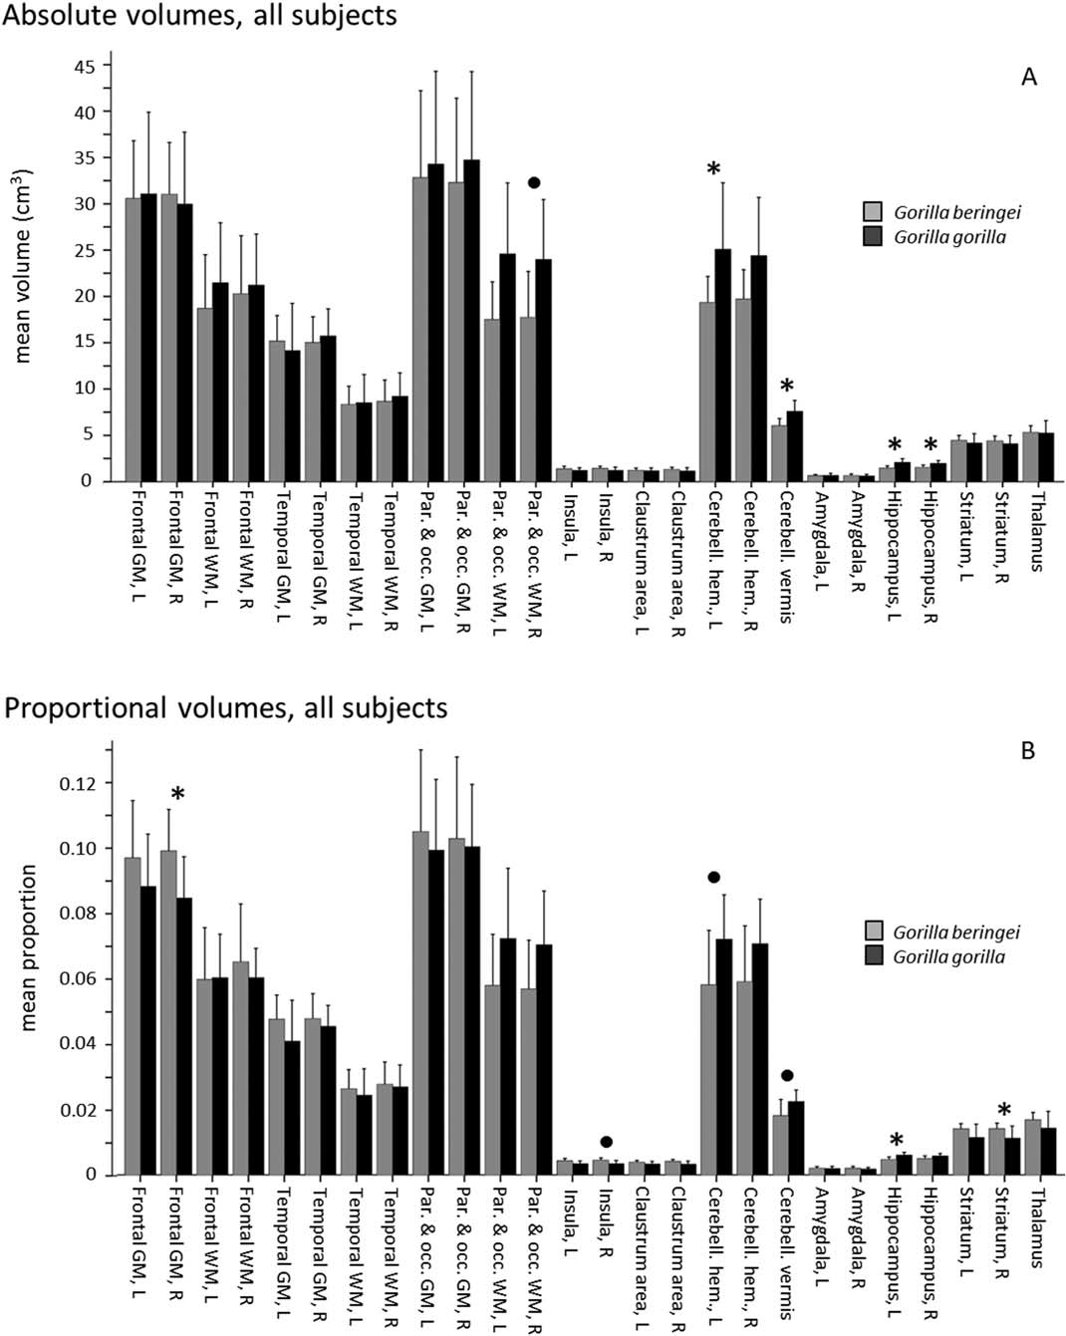
Fig. 4. Comparison of mean brain structure volumes in eastern (G.b.b., gray) and western gorillas (G.g.g., black), all subjects, assessed by Mann–Whitney pairwise tests. Error bars indicate 11 SD. Asterisks denote significant differences after correction for multiple comparisons, P < 0.05 (corrected a 5 0.002). Bullets denote significant differences after correction for multiple compari-sons, P < 0.10 (corrected a 5 0.004). “Claustrum area” refers to the region encompassing external capsule, claustrum, and extreme capsule. (A) Absolute volume (cm3). (B) Proportional volume.
fruit consumption and home range size, but found no significant correlation between these two variables. However, because the G. b. beringei brains in this study were obtained exclusively from the Virunga population, data from this habitat are most relevant to the present analyses. Second, G. gorilla tends to spend more time foraging in trees, incorporating more arboreality into their loco-motor patterns than G. b. beringei (Doran, 1996; Taylor, 1997). Differences in arboreality between the two gorilla species largely relate to differences in habitat and diet: | the high-altitude home ranges of mountain gorillas have few fruit trees and the majority of their food is terres-trial herbaceous vegetation. Comparable data for degree of arboreality in G. b. graueri are not available, although Yamagiwa et al. (1994) observed both climbing of trees to obtain ripe fruit and eating of ripe fruit from the ground by gorillas in the lowland sector of Kahuzi-Biega National Park (where all the gorillas belonged to a sin-gle population). G. b. graueri’s positional behavior, like its diet, probably varies with altitude-related ecological variation, with gorillas in lower-altitude habitats more

Table 8
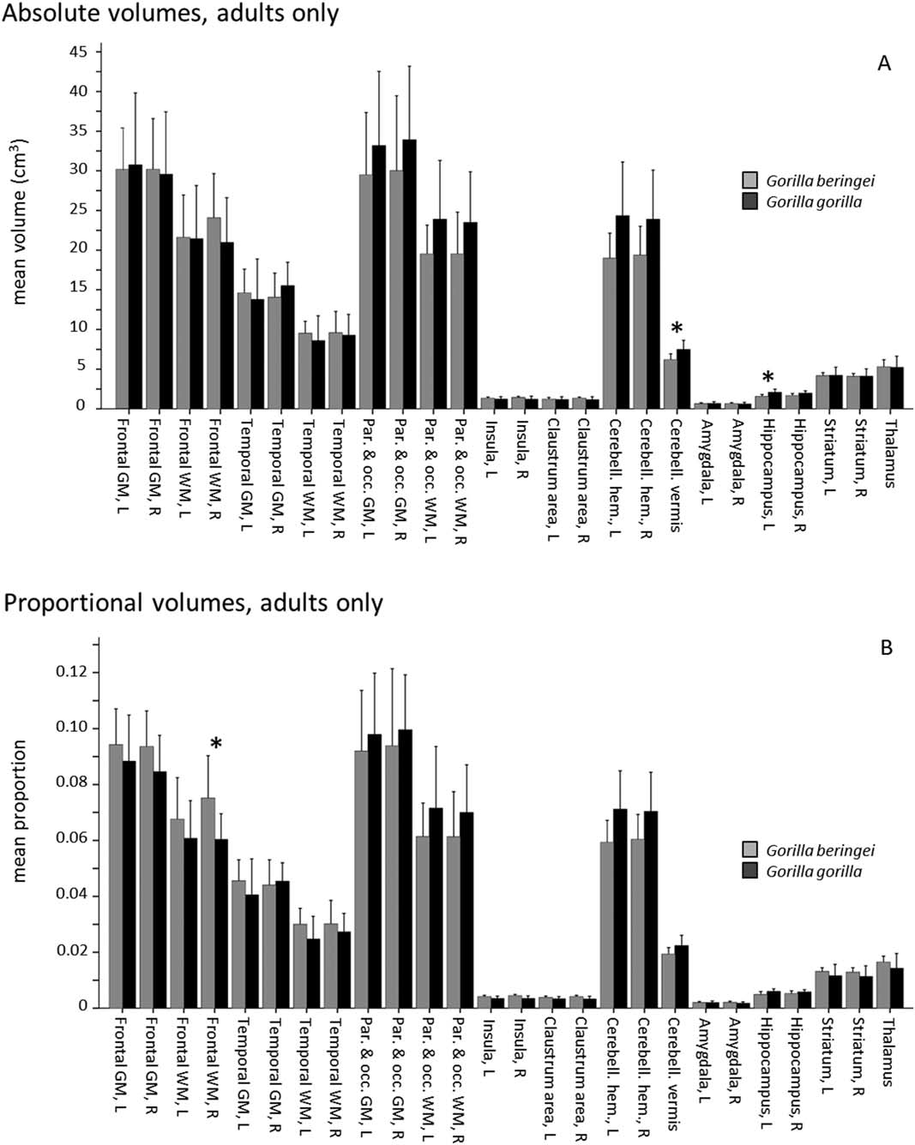
Fig. 5. Comparison of mean brain structure volumes in eastern (G.b.b., gray) and western gorillas (G.g.g., black), adult sub- jects, assessed by Mann–Whitney pairwise tests. Error bars indicate 11 SD. Asterisks denote significant differences after correction for multiple comparisons (corrected a 5 0.002). “Claustrum area” refers to the region encompassing external capsule, claustrum, and extreme capsule. (A) Absolute volume (cm3). (B) Proportional volume.
like G. gorilla and those in montane forest more like G. beringei. The cerebellum is known to control complex aspects of locomotion, including planning of sequential behaviors like those employed in moving through trees. Great apes as a group have larger cerebelli relative to total brain size than do other primates (MacLeod et al., 2003). Fur-ther, a large cerebellum relative to total brain size in G. gorilla—more so than in other great apes—has also been noted in previous studies (Stephan et al., 1981; Rilling and Insel, 1998; Semendeferi and Damasio, 2000), including specifically in comparison to G. beringei (Sher- | wood et al., 2004). The enlarged cerebellum of G. gorilla might relate to the greater degree of arboreal locomotion employed than in G. beringei. Matano and Hirasaki (1997), for example, noted increased development of the size of cerebellar nuclei in arboreal quadrupedal prima-tes relative to terrestrial primates, suggesting that these structures play a role in the navigation of a three-dimensional arboreal space. Gorillas’ large body size may have also played a role in the development of their large cerebellum relative to other ape taxa. Povinelli and Cant (1995) proposed that large-bodied hominoids’ navigation through complex substrates—particularly

